Sheet1
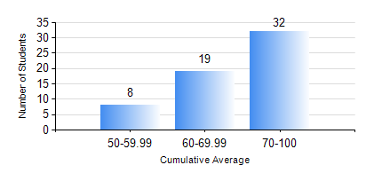
 |  |  | KWAME NKRUMAH UNIVERSITY OF SCIENCE AND TECHNOLOGY, KUMASI Department of Petroleum Engineering

 |  |  | BSC. PETROLEUM ENG.

 |  |  | COMPREHENSIVE RECORD OF EXAMINATION RESULTS

 |  |  | RESULTS OF YEAR 4 SECOND SEMESTER, 2018/2019 ACADEMIC YEAR

 | Sn | Course Code |  | Course Name | Credit Hours | Min. Mark | Max. Mark | Avg. Mark | Std. Dev. | No. Passed | No. Trailed | No. (Df) | No. (I) | No. (I*) | No. Tagged(I,I*,Df) | Total
 | 1. | PCE 464 |  | REFINING PROCESSES TECHNOLOGY | 2 | 54 | 80 | 66 | 6.88 | 21 | 0 | 0 | 0 | 0 | 0 | 21
 | 2. | PETE 450 |  | NATURAL GAS ENGINEERING | 3 | 67 | 84 | 78 | 3.73 | 59 | 0 | 0 | 0 | 0 | 0 | 59
 | 3. | PETE 452 |  | PETROLEUM PROJECT EVALUATION | 3 | 67 | 96 | 86 | 6.74 | 59 | 0 | 0 | 0 | 0 | 0 | 59
 | 4. | PETE 454 |  | DESIGN PROJECT | 4 | 71 | 91 | 80 | 5.02 | 59 | 0 | 0 | 0 | 0 | 0 | 59
 | 5. | PETE 456 |  | WELL COMPLETION AND STIMULATION | 3 | 40 | 91 | 68 | 13.24 | 59 | 0 | 0 | 0 | 0 | 0 | 59
 | 6. | PETE 458 |  | OILFIELD GEOCHEMISTRY | 2 | 41 | 79 | 64 | 8.74 | 59 | 0 | 0 | 0 | 0 | 0 | 59
 | 7. | PETE 462 |  | PETROLEUM BUSINESS STRUCTURES AND LOGISTICS | 2 | 65 | 93 | 82 | 5.91 | 48 | 0 | 0 | 0 | 0 | 0 | 48
 | 8. | PETE 466 |  | FUNDAMENTALS OF PETROLEUM LAW | 2 | 45 | 79 | 68 | 6.46 | 59 | 0 | 0 | 0 | 0 | 0 | 59

